CV
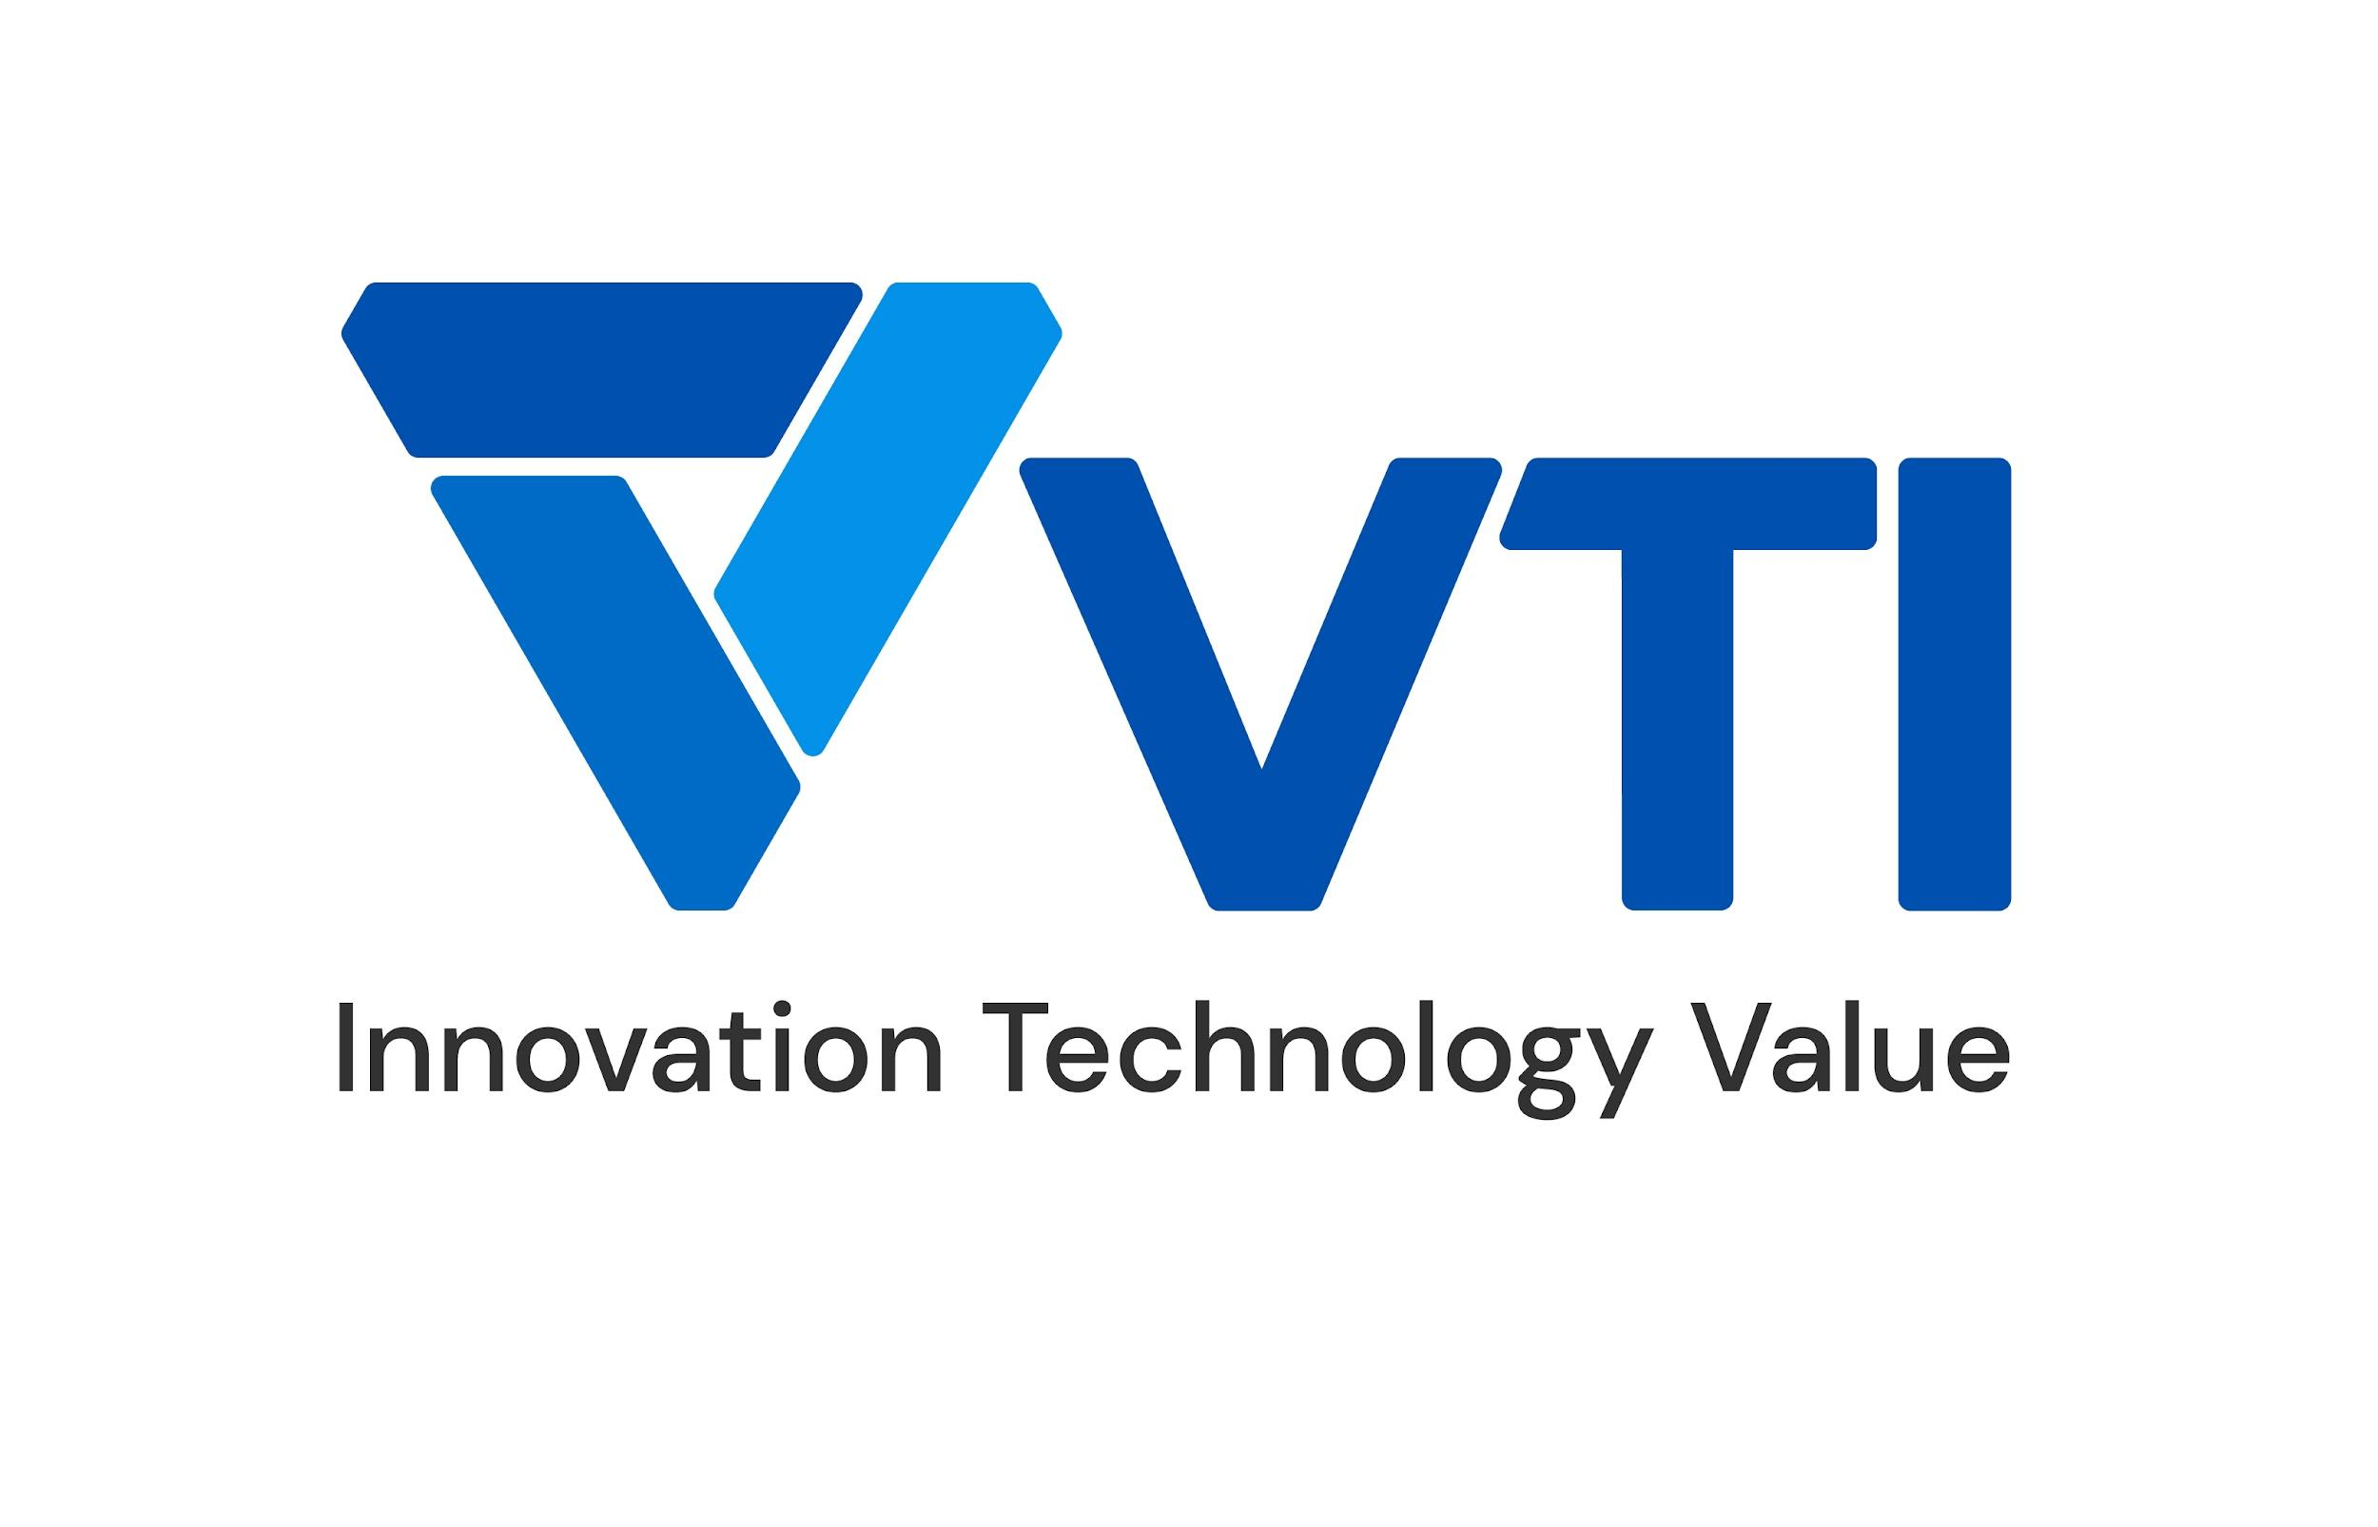 | CURRICULUM VITAE
PERSONAL DETAIL
Name
Nationality | Vietnamese
DOB
Sex | Male
Seniority | +3 years

ABOUT
- 3 years of experience in the computer software. - 3 years of experience in the Cloud Computing, DevOps. - 2 years work as AWS Solution Architect and Bigdata on Cloud. - Expert in designing and implementing cloud-based solutions for clients. - Experienced in creating automated pipelines to streamline the deployment of applications and services.

EDUCATIONAL BACKGROUND
2019-2023 |  | VNU University of Engineering and Technology - Information and Technology

CERTIFICATION
07/2023 - 07/2026 |  | AWS Certified Solution Architect - Professional
01/2023 - 01/2026 |  | AWS Certified Developer - Associate
11/2022 - 11/2025 |  | AWS Certified SysOps Administrator - Associate
12/2021 - 12/2024 |  | AWS Certified Solution Architect - Associate

LANGUAGE
Vietnamese |  | Native
English |  | 885 Toeic

TECHNICAL SKILL
Program language |  | Python, Java, SQL, Bash Script, Scala, HiveSql
Data engineering |  | Databricks Delta Live Tables, Databricks Unity Catalog, Apache Spark, AWS Glue, Apache Kafka, Apache NiFi, Apache Hive, DetalLake
ETL Techniques |  | Change Data Capture, Data Cleansing, Data Aggregation, Data Enrichment, Data Validation
Monitoring tool |  | Grafana, Prometheus, NetApp, AWS Cloudwatch, ELK Stack, New Relic
Automation/Orchestration tool |  | AWS DevOps stack, GCP DevOps stack, Gitlab-CI, Jenkins, ArgoCD, TerraForm, Ansible, AWS CloudFormation
Microservices |  | Kafka, ECS, Kurbernetes, EKS, Docker
OS |  | Windowns, Linux
Database |  | MySQL, MongoDB, DynamoDB, PostgreSQL, MySQL, Cassandra, DocumentDB
Public Cloud |  | AWS, Azure, GCP

EXPERIENCE
APC (Jan.2024 - now)
Customer |  | Japanese customer
Description |  | Building data platform on Databricks
Team Size |  | 5
My Position |  | Data engineer
My Responsibilites |  | - ETL job using Databricks, CDC - Handling database tasks
Technologies Used |  | Databricks, AWS

iTec iPLAT (2022 - now)
Customer |  | Japanese customer
Description |  | Design & build CIS gas electricity management platform
Team Size |  | 20
My Position |  | DevOps engineer
My Responsibilites |  | - Design infrastructure architecture on AWS and On-Premise - Implement kubernetes for microservices architechture - Design & apply CICD process - Build & Manage Spark cluster, apply Spark to handle batch job
Technologies Used |  | Apache Spark, AWS, Kubernetes, ArgoCD, Jenkins, Docker

Mitutoyo Keisoku (2023 - now)
Customer |  | Japanese customer
Description |  | Design & build Measurement Platform
Team Size |  | 10
My Position |  | Infrastructure engineer
My Responsibilites |  | - Design infrastructure architecture on GCP - Build and implement GCP services - Build CICD on GCP
Technologies Used |  | Cloud Run, Cloud SQL, Cloud Storage, Docker, GCP Services

HVN AWS Support (2022 - now)
Customer |  | Global Customer (Vietnam, Japan, Thailand, India)
Description |  | Join & manage projects related to moving/migrate/construct new systems to AWS
Team Size |  | 3
My Position |  | AWS Cloud engineer
My Responsibilites |  | - Maintain & monitor deep report HVN's AWS systems
Technologies Used |  | AWS

F88 Landing Zone Consultant (2021)
Customer |  | Vietnamese customer
Description |  | Consulting for customer in the implementation Landing Zone
Team Size |  | 3
My Position |  | AWS Solution Architect
My Responsibilites |  | - Design Microservice Architecture, Multi VPC/Account Architecture.
Technologies Used |  | AWS, Microservices

I declare that the above information is accurate.

